Network
Applicants * n
ws RPC
Corridors
Authorities

Applicant-Node*
443
Corridor-Node1
RPC
Authority-Node1
Application
peer
any

21000
peer

enode
[static-nodes.json]
[genesis.json]
[genesis.json]
[genesis.json]

 |  | ・
 |  | ・
 |  | ・

 | Multiple Corridor nodes can exist.

Mainnet Corridor Node
ws RPC | wss://cethereum-corridor.singulanode.net:443/ws
enode | enode://f99cba5ce9e951a363c49578cb4888b7346fdb20e13ae56d313619fcc91d7dbad6be1f569e81258aab235a158925a6b81e5538d73e1ad55283cea09d7726f3c2@52.193.107.139:21000

Testnet Corridor Node
ws RPC | wss://jcbi-corridor-sn.singuladev.net:443/ws
enode | enode://9430de384c3de78870a5bde01ee86a35c7cf69180847e9d42bd18def81b8a9ebb399d14943fda5efdc7c4937b399c304d443ec170f6d797538e1e8335035d7d9@54.92.8.15:21000

3.Check connection status
Check the connection status of the peer node

・Ubuntu20.04LTS commands
Steps | Procedures | Commands | Remarks
Advance preparation | Launch geth console | (When the node is running) geth attach --datadir ~/jcbi_geth/data (When the node is stopped) geth console --datadir ~/jcbi_geth/data | Run in root directory Reference Information https://geth.ethereum.org/docs/interface/javascript-console
 | Display node information | admin.nodeInfo.enode | The node identifier is displayed
 | Display detailed node information | admin.nodeInfo
 | (Execution result example) | 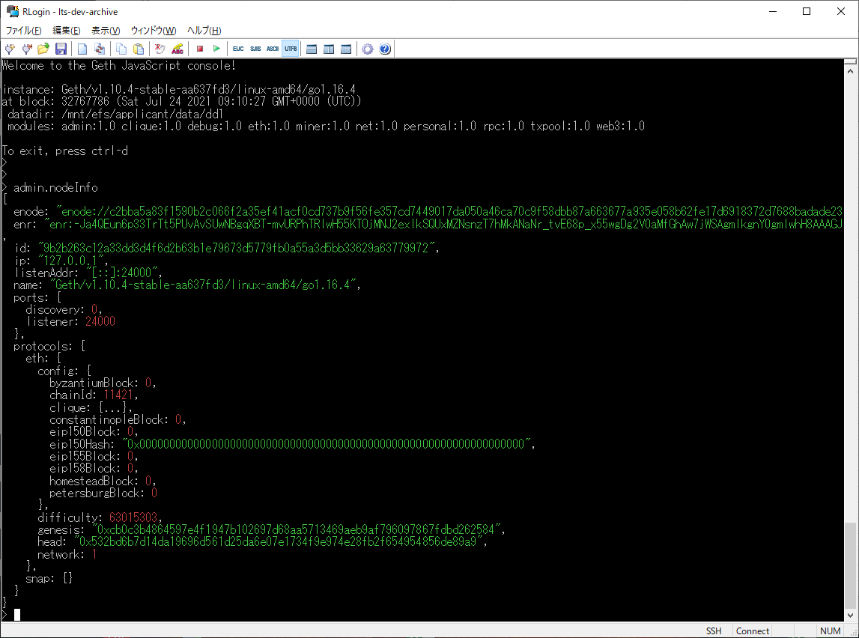
Confirmation of peer anode information | Check the quantity of pierode | net.peerCount
 | Check the information of Pianod | admin.peers | ・applicants In the displayed node information, check that the red framed part (enode, remoteAddress) in the figure below is the same as static-nodes.json.
 | (Example of execution result) | 